Sheet1
 | Price
Cainta | 9500000
Santa Maria | 4400000
Zamboanga | 3275000
Subic | 8428000
Muntinlupa | 28650000
Mexico | 3500000
Davao | 5300000
San Rafael | 1800000
Cabanatuan | 7337000
Paranaque | 45001005
Pavia | 4080345
Subic | 10082000
San Rafael | 1800000
Lipa | 7500000
General Trias | 2292960
Tanza | 2258057
Mabalacat | 1400000
Davao | 5300000
Muntinlupa | 32342000
Muntinlupa | 26393000
General Trias | 2389000
Subic | 12772000
Cainta | 9500000
Santa Maria | 4400000
Zamboanga | 3275000
Subic | 8428000
Muntinlupa | 28650000
Mexico | 3500000
Davao | 5300000
San Rafael | 1800000
Cabanatuan | 7337000
Paranaque | 45001005
Pavia | 4080345
Imus | 3336800
Subic | 10082000
San Rafael | 1800000
Lipa | 7500000
General Trias | 2292960
Tanza | 2258057
Mabalacat | 1400000
Davao | 5300000
Muntinlupa | 26393000
Muntinlupa | 32342000
General Trias | 2389000
Imus | 5234791
Malolos | 12069000
Dasmarinas | 3267000
Imus | 2292960
Malolos | 12902000
Pavia | 6379520
...
Source
Author: Carmela Agulto
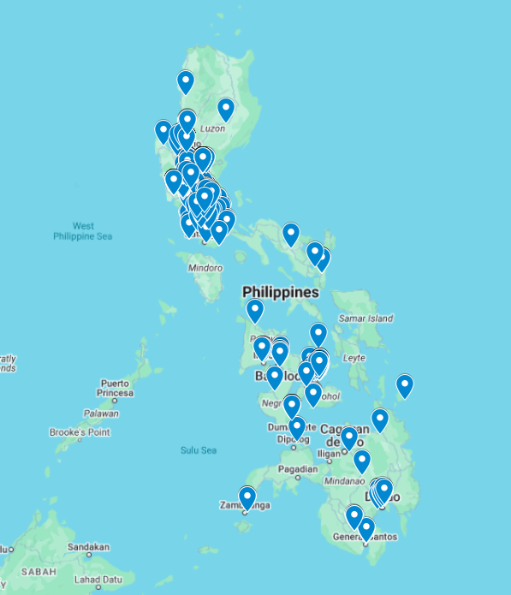

A column chart of all house price and their location

Beds to Prices
 | Bedrooms
9500000 | 4
4400000 | 3
3275000 | 2
8428000 | 5
28650000 | 3
3500000 | 3
5300000 | 3
1800000 | 2
7337000 | 4
45001005 | 6
4080345 | 3
10082000 | 5
1800000 | 2
7500000 | 4
2292960 | 3
2258057 | 3
1400000 | 2
5300000 | 3
32342000 | 3
26393000 | 3
2389000 | 3
12772000 | 5
9500000 | 4
4400000 | 3
3275000 | 2
8428000 | 5
28650000 | 3
3500000 | 3
5300000 | 3
1800000 | 2
7337000 | 4
45001005 | 6
4080345 | 3
3336800 | 4
10082000 | 5
1800000 | 2
7500000 | 4
2292960 | 3
2258057 | 3
1400000 | 2
5300000 | 3
26393000 | 3
32342000 | 3
2389000 | 3
5234791 | 3
12069000 | 5
3267000 | 2
2292960 | 3
12902000 | 5
6379520 | 4
...

 | Locations in excel imported to My Maps Google
 | Link

